Inventory
IMAGE | ITEM # | DESCRIPTION | CS QTY | CS PK | T.UNITS
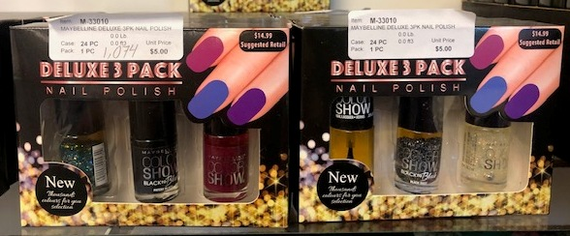 | M-33010 | MAYBELLINE DELUXE 3PK NAIL POLISH | 1802 | 24 | 43248
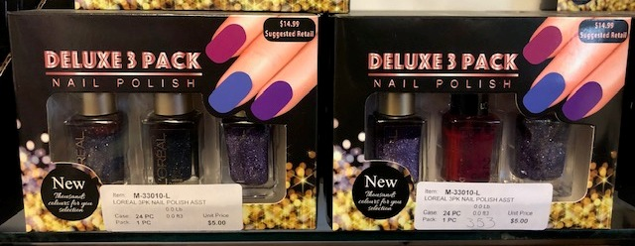 | M-33010-L | LOREAL 3PK NAIL POLISH ASST | 327 | 24 | 7848
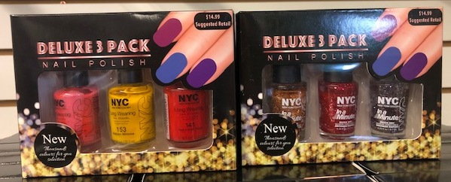 | M-33010-NYC | 3PK NYC NAIL POLISH ASST | 342 | 24 | 8208

 |  |  |  |  | 59304

